Mediacom
No | Test Scenario | Test Address | Test Steps | Visit ID | Actual Result | Pass/Fail | Screen Shot | Comments
1 | OMS Without Address Verification. Product: Ultra Plus - 2 year contract | 512 HUNTINGTON CHASE CIR WARNER ROBINS,GA 31088 | 1. Run Qualification 2. Add product to cart.x 3. Complete customization. 4. Complete Post customization 5. Select install date. 6. Enter customer info and credit card info and submit the page, Make sure order placed successfully. | VisitID: 1145986 | Install date displayed, Credit card collected and order placed successfully. | Pass | 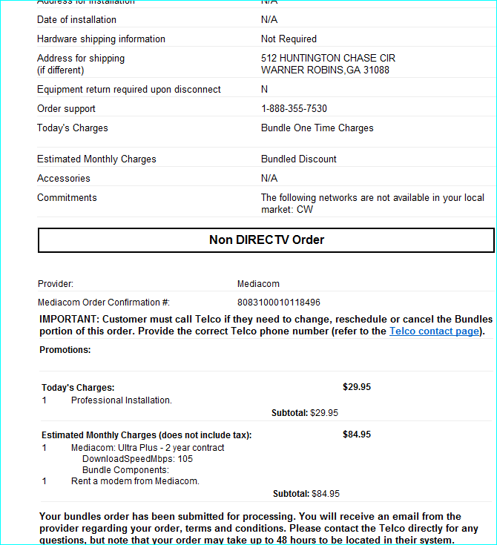 | Worng products price are sent down on <CreateOrder> response.
2 | OMS With Address Verification. Ultra - Month to Month | 601 COLORADO ST, Austin, TX 78701 | 1. Run Qualification 2. Select address on address suggestion 3. Add product to cart.x 4. Complete customization. 5. Complete Post customization 6. Select install date. 7. Enter customer info and credit card info and submit the page, Make sure order placed successfully. | R3/ Visit ID: 1146004 | Install date displayed, Credit card collected and order placed successfully. | Pass | 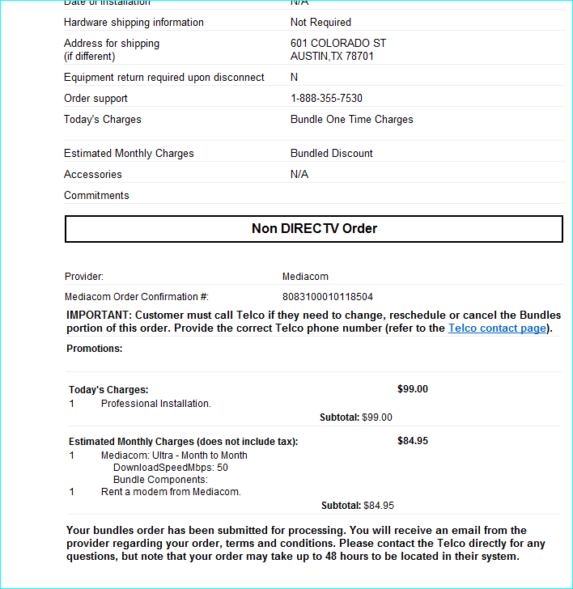 | Wrong products price collected. Defect is created: DE6852
3 | Order Portal- With Address verification Product: Prime - 2 year contract | 601 COLORADO ST, Austin, TX 78701 | 1. Run Qualification 2. Select address on address suggestion 3. Add product to cart.x 4. Complete customization. 5. Complete Post customization 6. Select install date. 7. Enter customer info and credit card info and submit the page, Make sure order placed successfully. | R3/ VisitID: 1146005 | Install date displayed, Credit card collected and order placed successfully. | Pass | 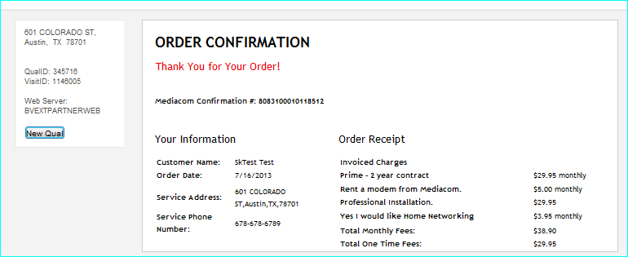 | Wrong products price collected. Defect is created: DE6852
4 | Order Portal- Without Address verification Product: Launch - Month to Month | 125 CRYSTAL RUN RD, Middletown, NY 10941 | 1. Run Qualification 2. Add product to cart.x 3. Complete customization. 4. Complete Post customization 5. Select install date. 6. Enter customer info and credit card info and submit the page, Make sure order placed successfully. | R3/ Visit ID: 1146017 | Install date displayed, Credit card collected and order placed successfully. | Pass | 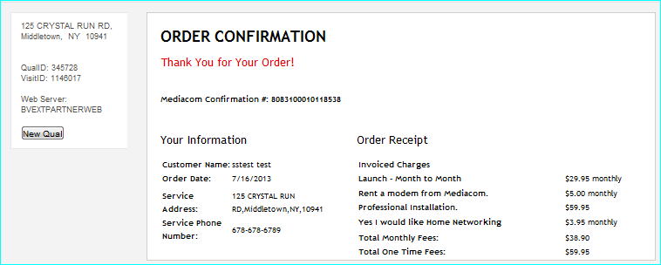 | Wrong products price collected. Defect is created: DE6852
5 | Sales CRM With Address verification |  | 1. Run Qualification 2. Select address on address suggestion 3. Add product to cart.x 4. Complete customization. 5. Complete Post customization 6. Select install date. 7. Enter customer info and credit card info and submit the page, Make sure order placed successfully. |  |  |  |  | Wrong products price collected. Defect is created: DE6852
6 | Sales CRM Without Address verification Product: Mediacom Launch - 2 year contract | 125 CRYSTAL RUN RD, Middletown, NY 10941 | 1. Run Qualification 2. Add product to cart.x 3. Complete customization. 4. Complete Post customization 5. Select install date. 6. Enter customer info and credit card info and submit the page, Make sure order placed successfully. | R3/ Visit ID: 1146018 | Install date displayed, Credit card collected and order placed successfully. | Pass | 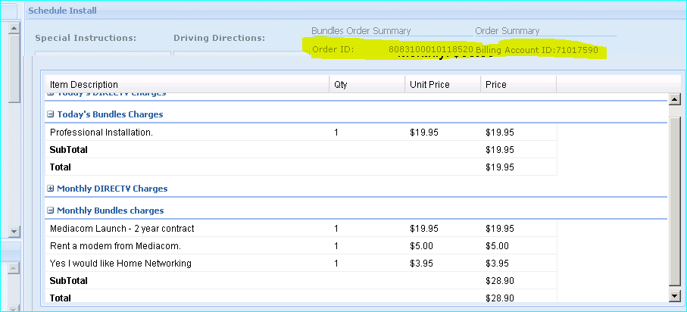 | Wrong products price collected. Defect is created: DE6852

